Airplane List

VH | VZ | LN | Tie in text display | Build Tie In
VH110 | VZ475 | LN1348 | LN 1348 / VH110 / VZ475 - Stall 212
VH111 | VZ421 | LN1352 | LN 1352 / VH111 / VZ421 - Stall 213
VH421 | VZ110 | LN1350 | LN 1350 / VH421 / VZ110 - PAINT
VH112 | VZ107 | LN1354 | LN 1354 / VH112 / VZ107 - Stall 216
VH113 | VZ108 | LN1357 | LN1357 / VH113 / VZ108 - Stall 215

 |  |  |  |  | Use Select files to build from an archived version

 |  |  |  | HOW TO USE
 |  |  |  | 1) Check for the yellow security bar. If it is present enable macro's and trust doccument.
 |  |  |  | 2) Make sure all data is updated in POM. - This program only pulls data from POM.
 |  |  |  | 3) Make sure all airplanes you want displayed are filled in on the chart to the left
 |  |  |  | 3) If you add or remove an airplane from the list, click update airplane list
 |  |  |  | 4) Check the POM Data is current (Upper RH corner)
 |  |  |  | 5) Click the picture you want and wait

QUERY
QUERY | WITH JobList AS ( SELECT j.Program, j.SourceSystem, mm.MbuName, j.JobID, j.LineNumber, j.JobNumber AS WorkOrder, COALESCE(j.ParentJobNumber, '-') AS ParentWorkOrder, j.PartNumber AS JobKit, j.Description AS JobKitDescription, COALESCE(j.PlannedHours, 0) AS PlannedHours, COALESCE(j.ActualHours, 0) AS ActualHours, j.OrderStatus AS Status FROM Newton_Release.pbe.vjob j WITH (NOLOCK) INNER JOIN Newton_Release.pbe.vMbuMapping mm WITH (NOLOCK) ON 1=1 AND mm.MesLevel1 = j.MesLevel1 AND mm.MesLevel2 = j.MesLevel2 AND mm.MesLevel3 = j.MesLevel3 ), Tecnicians AS ( SELECT aj.Program, aj.LineNumber, aj.JobNumber, STRING_AGG(CONCAT(au.FirstName,' ',au.LastName),', ') AS Technicians FROM Newton_Release.pbe.vAssignedJob aj WITH (NOLOCK) INNER JOIN Newton_Release.pbe.vAppUser au WITH (NOLOCK) ON 1=1 AND au.AppUserID = aj.AppUserID WHERE 1=1 AND AssignedJobEndDateTimeUtc IS NULL GROUP BY aj.Program, aj.LineNumber, aj.JobNumber ), DailyPlan AS ( SELECT jt.JobID, SUM(CASE WHEN jt.TagName = 'WIP' THEN 1 ELSE 0 END) AS WipFlag, SUM(CASE WHEN jt.TagName = 'DCMT' THEN 1 ELSE 0 END) AS DcmtFlag, CAST(MAX(jtt.Ecd) AS DATE) AS Ecd FROM Newton_Release.pbe.vJobTag jt WITH (NOLOCK) INNER JOIN Newton_Release.pbe.JobTag jtt WITH (NOLOCK) ON 1=1 AND jtt.JobTagID = jt.JobTagID WHERE 1=1 AND jt.TagType = 'DailyPlan' AND jt.JobTagEndDateUtc IS NULL GROUP BY jt.JobID ), HeldFor AS ( SELECT jt.JobID, STRING_AGG(jt.TagName,', ') WITHIN GROUP (ORDER BY jt.TagName) AS HeldFor FROM Newton_Release.pbe.vJobTag jt WITH (NOLOCK) INNER JOIN Newton_Release.pbe.JobTag jtt WITH (NOLOCK) ON 1=1 AND jtt.JobTagID = jt.JobTagID WHERE 1=1 AND jt.TagType = 'ShopTag' AND jt.JobTagEndDateUtc IS NULL GROUP BY jt.JobID ), Comments AS ( SELECT jc.JobID, jc.Comment, ROW_NUMBER() OVER (PARTITION BY jc.JobID ORDER BY JobCommentID DESC) AS CommentRank | 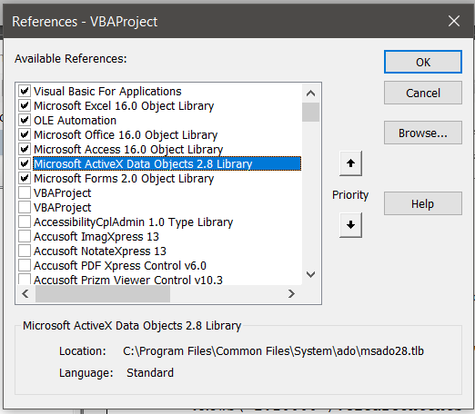 | THESE ARE REQUIRED FOR DB OBJECTS TO WORK. CLICK TOOLS-REFERENCES IN VBA TO ADD THEM I BELIEVE ITS JUST THE ACCESS 16.0 ONE BUT I ADD ALL THESE AS A STANDARD SET
LINE NUMBER STRING | ('VH110', 'VZ475', 'VH111', 'VZ421', 'VH421', 'VZ110', 'VH112', 'VZ107', 'VH113', 'VZ108')

RUN MACRO

